Sheet1
INNOVATOR EXPENDITURE REPORT FORM
INNOVATOR: |  | INST. AWARD #:
INSTITUTION: |  | AWARD PERIOD:
DATE SUBMITTED: |  | REPORT PERIOD:

Read preparation guidelines on page 2 before filling out form.
 | Amount Received | Expended | Balance
Innovator's Stipend |  |  | $0.00
Research Allowance (include carry-over from previous year, if applicable) |  |  | $0.00
Totals | $0.00 | $0.00 | $0.00
BREAKDOWN OF RESEARCH ALLOWANCE
 | Dates | Type | Cost
Travel
(include name of meeting and dates of travel)
 |  | (scientific meeting)
Supplies

Other

Name of Fiscal Officer:
Fiscal Officer's Title:
Signature:
Phone Number:
E-mail:
tara.jackson@damonrunyon.org
Awards are limited to $200,000 per year in direct costs.
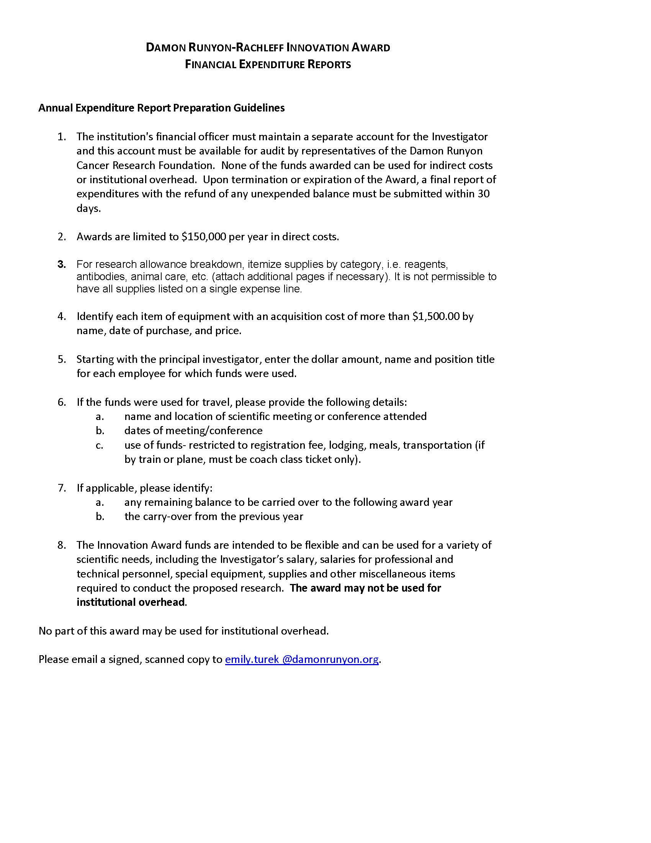
kyra.richardson@damonrunyon.org

